Bridge
 |  |  | 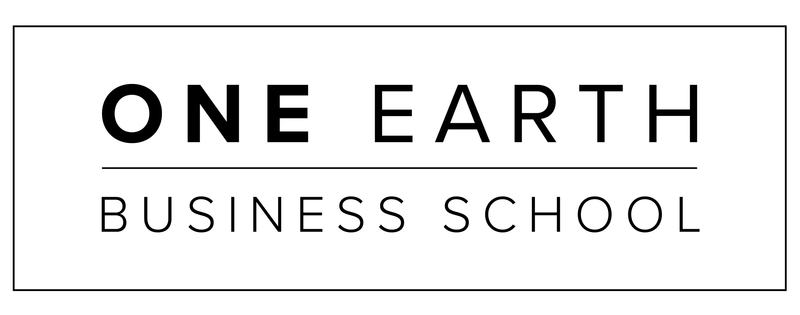

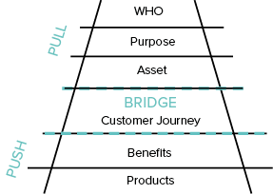
YOUR BRIDGE
Connecting your Bridge with your Commercial model with your Today, New Today, Tomorrow, Future

BRIDGE = CUSTOMER JOURNEY = your 3 WORDS

 |  | 1st word |  | 2nd word |  | 3rd word
 |  |  | How will you know when you are there? |  | How will you know when you are there? |  | Whats the ROI?
What products do you have for each of your Bridge words? | TODAY
 | NEW TODAY
 | Write your Core product here:
 | TOMORROW
 | FUTURE

Build Your Brand • grow your business • Impact An industry • Shift the world

This is a tool created by One Earth for your use as part of the Boom Program. Protected by Copyright © One Earth. All Rights Reserved. Version Oct 2021

