Future Mapping
L&D Getting Ready Program
 |  |  | Note:
 |  |  | This sheet is also available as an interactive poster:
 |  |  | Campaign Trends: Future Mapping_pdf

FUTURE MAPPING
Planning across Brand Product Channel Sales

 | PURPOSE statement:

PAST
1996 - 2006
Pre -digtal
PRESENT
2006 - 2020
Digital era
FUTURE
2020 - 2031
(Omni channel - online & offline)
WHERE ARE THE GAPS?
 | What patterns can you see within your industry?
 | Write the name of your Industry here | Notes
 | BRAND
 | PRODUCT
 | CHANNEL
 | SALES

Build Your Brand • grow your business • Impact An industry • Shift the world

 | This is a tool created by Team BoB for your use as part of the L&D Program. Please do not share this outside your business. Protected by Copyright © BoB EarthTM Ltd. All Rights Reserved. Version May 2021

Bridge
L&D Getting Ready Program
 |  |  |  |  |  |  |  | Note:
 |  |  |  |  |  |  |  | This sheet is also available as an interactive poster:
 |  |  |  |  |  |  |  | Campaign Trends_Bridge.pdf
YOUR BRIDGE
Connecting your Bridge with your Commercial model with your Today, New Today, Tomorrow, Future

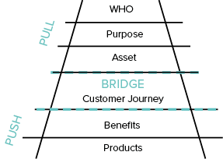
BRIDGE = CUSTOMER JOURNEY = your 3 WORDS

 |  | 1st word |  | 2nd word |  | 3rd word
 |  |  | How will you know when you are there? |  | How will you know when you are there? |  | Whats the ROI?
What products do you have for each of your Bridge words? | TODAY
 | NEW TODAY
 | Write your Core product here:
 | TOMORROW
 | FUTURE

Build Your Brand • grow your business • Impact An industry • Shift the world

This is a tool created by Team BoB for your use as part of the L&D Program. Please do not share this outside your business. Protected by Copyright © BoB EarthTM Ltd. All Rights Reserved. Version May 2021

<Width>

Big Game Story
L&D Getting Ready Program
 |  |  | Note:
 |  |  | This sheet is also available as an interactive poster:
 |  |  | Campaign Trends_Big Game Story.pdf

TELL THE BIG GAME STORY
What does this mean for you?
The Big Game Story is about mapping what your Purpose means for your Business, Industry, Society, the World. This shows you commercially what you are going to do next.
Highlight what you are passionate about in purple, and what you are super passionate about in red.

YOUR BIG GAME STORY write your purpose statement here ð | YOUR BIG GAME STORY: | KEY MILESTONES

Write a short description of what YOU means
Write a short description of what BUSINESS means to you
Write a short description of what INDUSTRY means to you
YOU
BUSINESS
INDUSTRY
Write a short description of what SOCIETY means to you
SOCIETY
Write a short description of what WORLD means to you
WORLD

Build Your Brand • grow your business • Impact An industry • Shift the world

This is a tool created by Team BoB for your use as part of the L&D Program. Please do not share this outside your business. Protected by Copyright © BoB EarthTM Ltd. All Rights Reserved. Version May 2021

Investment Thesis
L&D Getting Ready Program
 |  | Note:
 |  | This sheet is also available as an interactive poster:
 |  | Campaign Trends_Investment Thesis.pdf

INVESTMENT THESIS FOR YOUR BUSINESS
Linking Product Portfolio and Product Pyramid

Link this to the product portfolio in terms of STI, LTI, STE, LTE, | What would be the Awareness, Leverage and Scale products that sit underneath to drive
so you can see the key drivers into the product portfolio. | the Sales Awareness Value for the business model.

EQUITY
SHORT TERM
LONG TERM
INCOME
Brand (building)
Channel
Product (new)
Sales
STE
LTE
STI
LTI
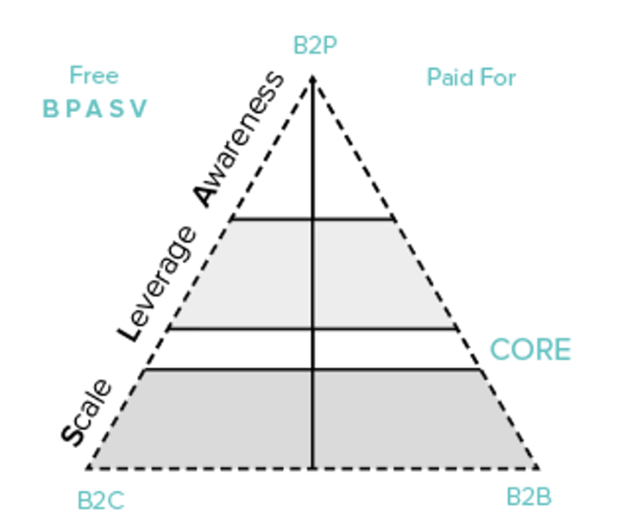

Product Portfolio
Scale
CORE
Awareness
Leverage
Enter your Leverage products here eg.information and education
Enter your scale products here eg. franchise, partnership, white label
Enter STE, LTE
STI, LTI in the quadrant.
Product Pyramid
EQUITY
SHORT TERM
LONG TERM
INCOME

Enter your Core product here

Build Your Brand • grow your business • Impact An industry • Shift the world

This is a tool created by Team BoB for your use as part of the L&D Program. Please do not share this outside your business. Protected by Copyright © BoB EarthTM Ltd. All Rights Reserved. Version May 2021

<Width>

Financial Model
L&D Getting Ready Program

(SIMPLE) FINANCIAL MODEL

Build a financial model using information you have gathered in Campaign Trends: Future mapping + Bridge + Big Game Story + Investment Thesis.
To see your numbers, what resources you need, what investment strategy you need (self invest or require funding). This becomes part of an investor document you can use to raise the funds to grow.

Today, Tomorrow or Future | Item ref. | Potential Products | Product Category | Price per unit | Year 1 Projected Revenue | Year 1 Volume | Year 2 Projected Revenue | Year 2 Volume | Year 3 Projected Revenue | Year 3 Volume | Year 4 Projected Revenue | Year 4 Volume | Year 5 Projected Revenue | Year 5 Volume
Today | 1 | Book | Awareness | 100 | 500 | 5 | 20000 | 200 | 10000 | 100
New Today | 2 | Digital app | Leverage | 10 | 0 |  | 200000 | 20000 | 500000 | 50000
Today | 3 | Consultancy | Core | 10000 | 500000 | 50 | 600000 | 60 | 1000000 | 100
SAMPLE ONLY
simplified to illustrate concept
Future | 4 | Platform fees | Scale | 100 | 0 |  | 0 |  | 100000 | 1000
 |  |  |  |  | 0 |  | 0

TOTALS |  |  |  |  | 500500 |  | 820000 |  | 1610000 |  | 0 |  | 0
Build Your Brand • grow your business • Impact An industry • Shift the world

This is a tool created by Team BoB for your use as part of the L&D Program. Please do not share this outside your business. Protected by Copyright © BoB EarthTM Ltd. All Rights Reserved. Version May 2021

<Width>

